Week 5
Project Title: CardioCare Quest |  |  |  |  | Report for | Week 7 (Feb 23 - Feb 27)
 | Team Members:
 | 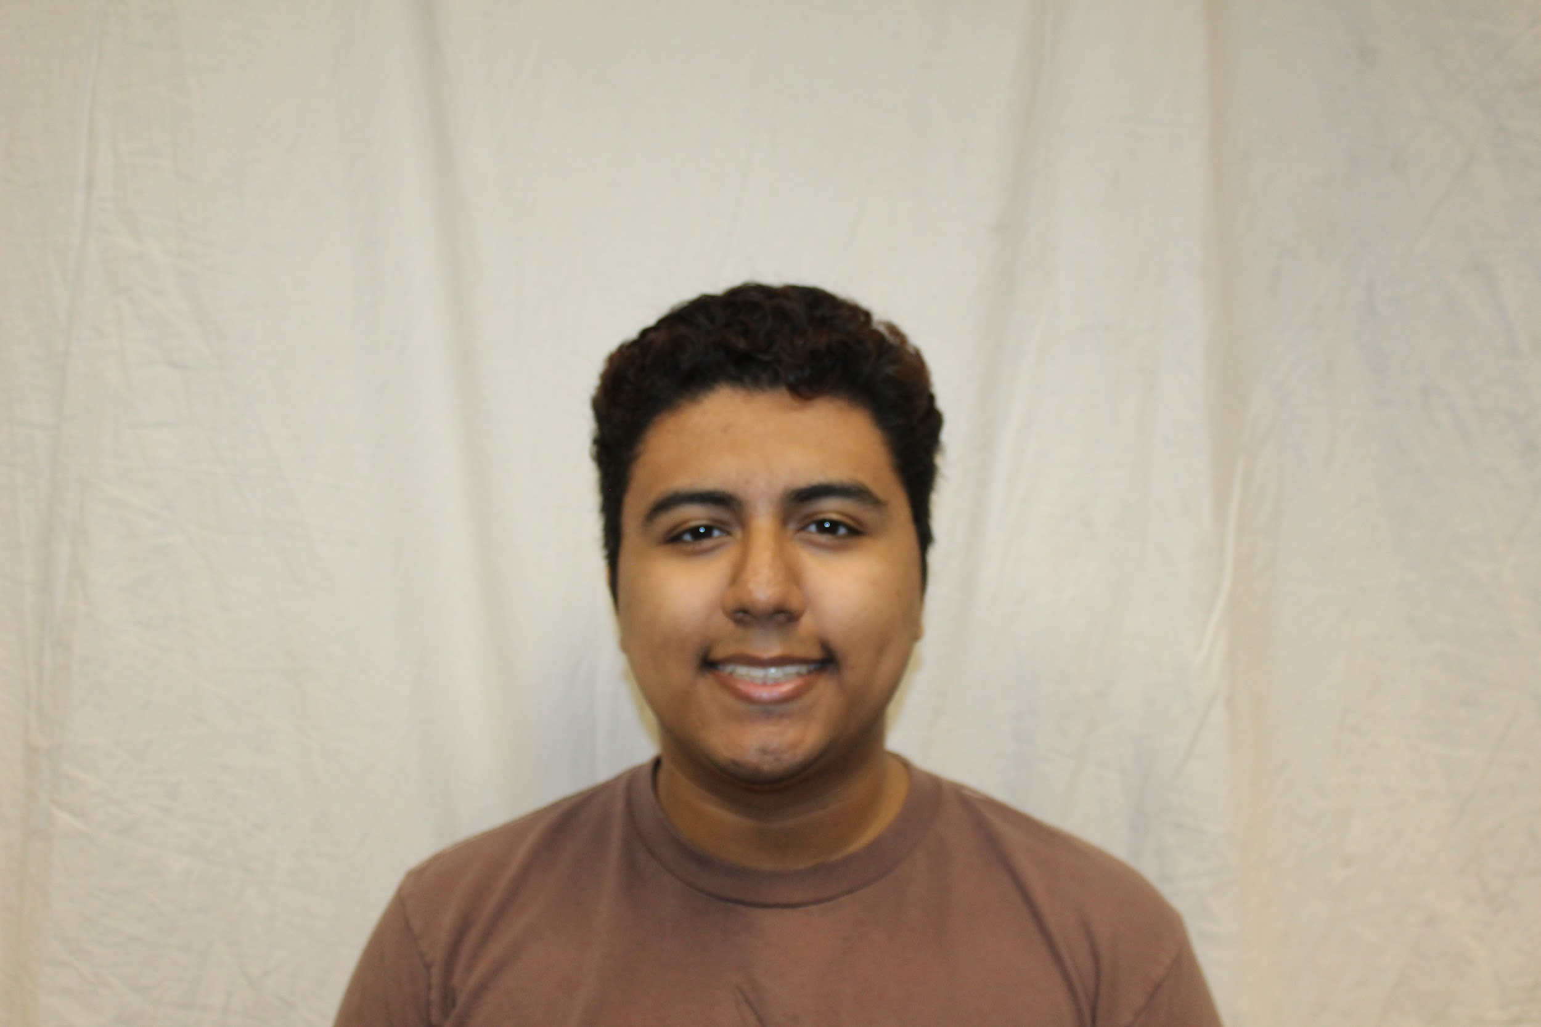 |  | 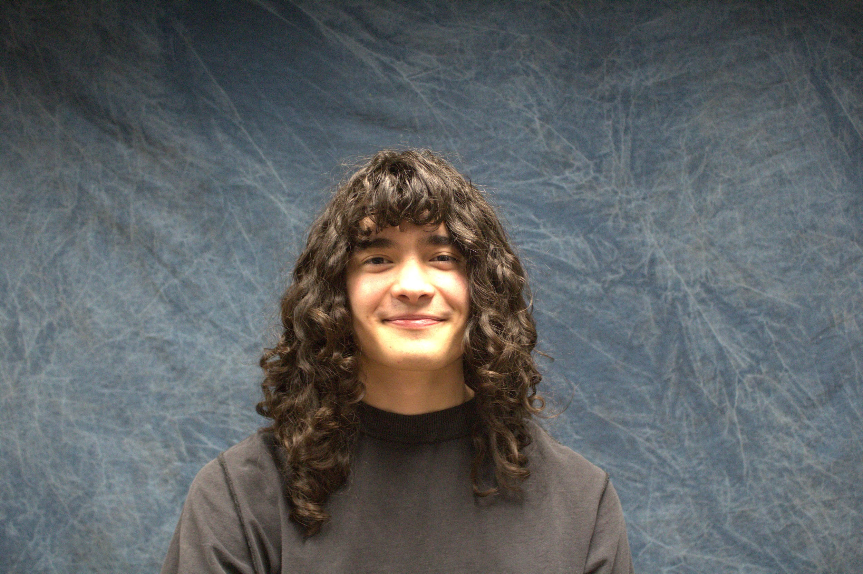 | 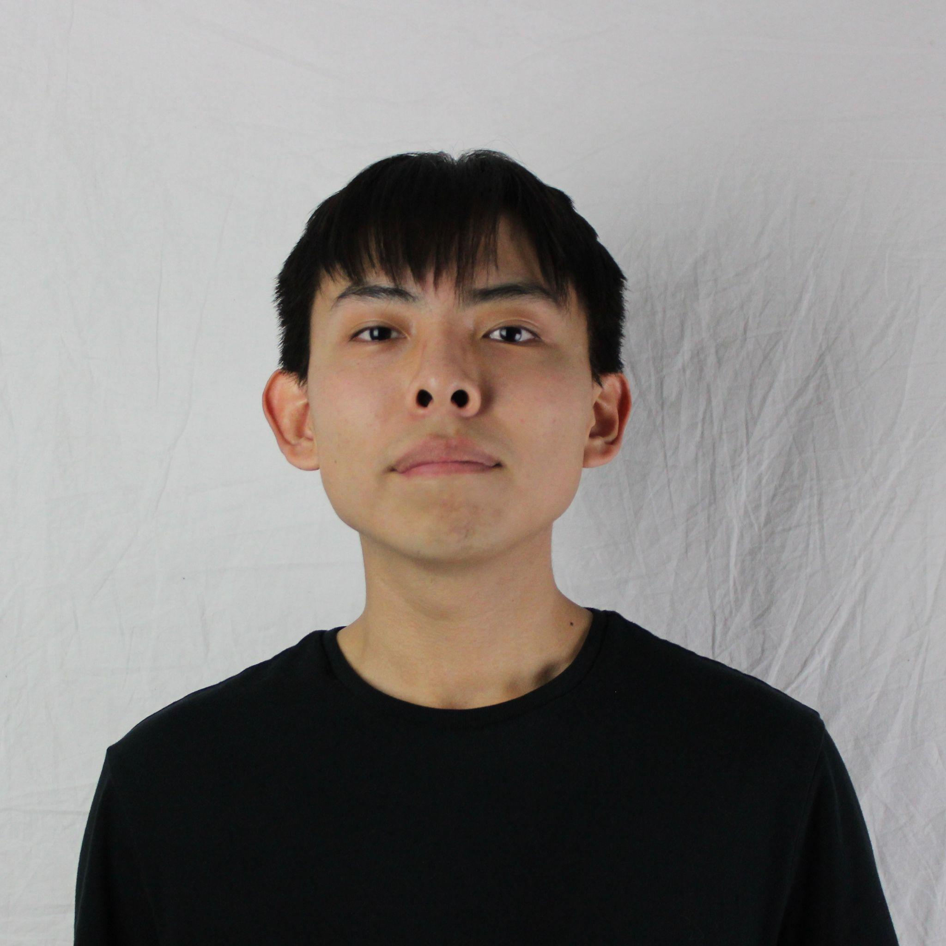
 | Jesse Ceja | Anna Cheatham | Tyler Jeffrey | Rique Trujillo Yazzie
 |  |  |  |  |  |  |  |  |  |  |  | XXX
Task ID | Status | Description |  |  | Assigned to | Start Date | Start Week | Expected End Date | Finished on Week | Measurable Outcome | Actual Outcome | XXX
N/A | <pick a status from the list> | <2-3 sentences to describe what is involved with the task and its goals in more detail> |  |  | <who’s responsible; if multiple persons, to what percentage> | <date task created> | <pick a week from the list> | <date task is due> | <pick a week from the list> | <Concise statement of exactly what deliverable is expected with notes on expectations of quality and/or completion> | <Concise statement of exactly what was delivered and at what level of quality>
1 |  |  |  |  |  |  |  |  |  |  |  | XXX
2 | Done | Learn Figma, specifically build a simple app and port it to my android phone. |  |  | Jesse Ceja | 2/19/2026 | Week 5 (Feb 9 - Feb 13) | 2/27/2026 | Week 7 (Feb 23 - Feb 27) | App installed on my phone without need for laptop connection, has interactables that update data on screen. | Figma App has been designed, a simple black jack game, however I have been unable to get it ported to my phone. It exists as an HTML web application and runs locally on my laptop, but not on my phone. | XXX
3 |  |  |  |  |  |  |  |  |  | Basic html website that provides a brief introduction and overview of team and project. Website also functions correctly as the home-page for the project. | Website has been created and is hosted on our Githunb Repository while The Capstone Instructor (Issac Shaffer) finds a solution for hosting on the CEIAS Server as there are currently issues on that end. | XXX
4 | In progress | Intro presentation. This is a 3-5 minute presentation to introduce our project. |  |  | Anna Cheatham - 25%, Jesse Ceja - 25%, Tyler Jeffrey - 25%, Rique Yazzie - 25% | 2/18/2026 | Week 6 (Feb 16 - Feb 20) | 2/26/2026 |  | Create a 5 minute summary presentation of our project. This will detail our client, project details, workflow, solutions, and plans for development. |  | XXX
5 | In progress | Fully completed team website. Outlines much of the content of our project. |  |  | Rique Yazzie- 50%, Jesse Ceja - 50% | 2/18/2026 | Week 6 (Feb 16 - Feb 20) | 2/23/2026 |  | Fully flesh out the items described in the intialization process. This will involve fixing all formatting and all sections of the website we outlined previously. |  | XXX
6 | Done | Get into contact with the research teams overseeing CardioCare Quest. |  |  | Tyler Jeffrey | 2/20/2026 | Week 6 (Feb 16 - Feb 20) | 2/27/2026 |  | Get into contact with the related research teams to set up meetings. Here we will begin to familiarize ourselves with the CC Quest workflow and codebase. | Have made contact with the research teams and set up meetings. Begun the exchange of documentation and workflow of the PHT. | XXX
7 | Done | Meeting With Shelby Hagemann, Team Lead of NetGauge |  |  | Tyler Jeffrey, Jesse Ceja, Anna Cheatham, Rique Yazzie, Group meeting: 25% each | 2/23/2026 | Week 7 (Feb 23 - Feb 27) | 2/23/2026 | Week 7 (Feb 23 - Feb 27) | Attend the meeting with Shelby Hagemann, Team lead of NetGauge, and learn about the NetGuage "Twine Deck Paradigm" that Duval has asked us to implement into Cardio Care Quest. | Gathered information about the Company Structure of Playful Health Labs and learned of the "Flutter-Twine Bridge" that Hagemann implemented that is now the expected Paradigm moving forward. | XXX
8 | Next up | Meeting With Pavan Gorintla, Team Lead of CardioCare Quest |  |  | Tyler Jeffrey, Jesse Ceja, Anna Cheatham, Rique Yazzie, Group meeting: 25% each | 3/2/2026 | Week 8 (Mar 2 - Mar 6) | 3/2/2026 |  | Attend the meeting with Pavan Gorintla, learn about our part of the Cardio Care Quest development as he is the team lead of the project. Learn about what he has developed. |  | XXX
9 |  |  |  |  |  |  |  |  |  |  |  | XXX
10 |  |  |  |  |  |  |  |  |  |  |  | XXX
11 |  |  |  |  |  |  |  |  |  |  |  | XXX
12 |  |  |  |  |  |  |  |  |  |  |  | XXX
13 |  |  |  |  |  |  |  |  |  |  |  | XXX
14 |  |  |  |  |  |  |  |  |  |  |  | XXX
15 |  |  |  |  |  |  |  |  |  |  |  | XXX
16 |  |  |  |  |  |  |  |  |  |  |  | XXX
17 |  |  |  |  |  |  |  |  |  |  |  | XXX
18 |  |  |  |  |  |  |  |  |  |  |  | XXX
19 |  |  |  |  |  |  |  |  |  |  |  | XXX
20 |  |  |  |  |  |  |  |  |  |  |  | XXX
21 |  |  |  |  |  |  |  |  |  |  |  | XXX
22 |  |  |  |  |  |  |  |  |  |  |  | XXX
23 |  |  |  |  |  |  |  |  |  |  |  | XXX
24 |  |  |  |  |  |  |  |  |  |  |  | XXX
25 |  |  |  |  |  |  |  |  |  |  |  | XXX
26 |  |  |  |  |  |  |  |  |  |  |  | XXX
27 |  |  |  |  |  |  |  |  |  |  |  | XXX
28 |  |  |  |  |  |  |  |  |  |  |  | XXX
29 |  |  |  |  |  |  |  |  |  |  |  | XXX
30 |  |  |  |  |  |  |  |  |  |  |  | XXX
31 |  |  |  |  |  |  |  |  |  |  |  | XXX
32 |  |  |  |  |  |  |  |  |  |  |  | XXX
33 |  |  |  |  |  |  |  |  |  |  |  | XXX
34 |  |  |  |  |  |  |  |  |  |  |  | XXX
35 |  |  |  |  |  |  |  |  |  |  |  | XXX
36 |  |  |  |  |  |  |  |  |  |  |  | XXX
37 |  |  |  |  |  |  |  |  |  |  |  | XXX
38 |  |  |  |  |  |  |  |  |  |  |  | XXX
39 |  |  |  |  |  |  |  |  |  |  |  | XXX
40 |  |  |  |  |  |  |  |  |  |  |  | XXX
41 |  |  |  |  |  |  |  |  |  |  |  | XXX
42 |  |  |  |  |  |  |  |  |  |  |  | XXX
43 |  |  |  |  |  |  |  |  |  |  |  | XXX
44 |  |  |  |  |  |  |  |  |  |  |  | XXX
45 |  |  |  |  |  |  |  |  |  |  |  | XXX
46 |  |  |  |  |  |  |  |  |  |  |  | XXX
47 |  |  |  |  |  |  |  |  |  |  |  | XXX
48 |  |  |  |  |  |  |  |  |  |  |  | XXX
49 |  |  |  |  |  |  |  |  |  |  |  | XXX
50 |  |  |  |  |  |  |  |  |  |  |  | XXX
51 |  |  |  |  |  |  |  |  |  |  |  | XXX
52 |  |  |  |  |  |  |  |  |  |  |  | XXX
53 |  |  |  |  |  |  |  |  |  |  |  | XXX
54 |  |  |  |  |  |  |  |  |  |  |  | XXX
55 |  |  |  |  |  |  |  |  |  |  |  | XXX
56 |  |  |  |  |  |  |  |  |  |  |  | XXX
57 |  |  |  |  |  |  |  |  |  |  |  | XXX
58 |  |  |  |  |  |  |  |  |  |  |  | XXX
59 |  |  |  |  |  |  |  |  |  |  |  | XXX
60 |  |  |  |  |  |  |  |  |  |  |  | XXX
61 |  |  |  |  |  |  |  |  |  |  |  | XXX
62 |  |  |  |  |  |  |  |  |  |  |  | XXX
63 |  |  |  |  |  |  |  |  |  |  |  | XXX
64 |  |  |  |  |  |  |  |  |  |  |  | XXX
65 |  |  |  |  |  |  |  |  |  |  |  | XXX
66 |  |  |  |  |  |  |  |  |  |  |  | XXX
67 |  |  |  |  |  |  |  |  |  |  |  | XXX
68 |  |  |  |  |  |  |  |  |  |  |  | XXX
69 |  |  |  |  |  |  |  |  |  |  |  | XXX
70 |  |  |  |  |  |  |  |  |  |  |  | XXX
71 |  |  |  |  |  |  |  |  |  |  |  | XXX
72 |  |  |  |  |  |  |  |  |  |  |  | XXX
73 |  |  |  |  |  |  |  |  |  |  |  | XXX
74 |  |  |  |  |  |  |  |  |  |  |  | XXX
75 |  |  |  |  |  |  |  |  |  |  |  | XXX
76 |  |  |  |  |  |  |  |  |  |  |  | XXX
77 |  |  |  |  |  |  |  |  |  |  |  | XXX
78 |  |  |  |  |  |  |  |  |  |  |  | XXX

